Sheet1
SUPER MATERIALS ONE MEMBER COMPANY LIMITED
Tax Code. 0315502282 | Postal Code. 70000
A. 187/7 Dien Bien Phu Street, Da Kao Ward, District 1, Ho Chi Minh City, Vietnam
T. +84 98 9944 746 | F. -
E. purchasing@ss-materials.com | W. www.ss-materials.com
PURCHASE ORDER
PO No.: SM-VSM/081019
Date: Oct 08, 2019
Number of pages: 01
FROM: SUPER MATERIALS ONE MEMBER COMPANY LIMITED A. 187/7 Dien Bien Phu Street, Da Kao Ward, District 1 Ho Chi Minh City, Vietnam T. +84 98 9944 746 | F. - |  |  |  | TO: VOESTALPINE SPECIALTY METALS PTE. LTD. A. 25 Pioneer Crescent, Singapore 628554 T. + 65 6303 7393 | F. + 65 6898 1104 Attn: Kristine Puno-Ocampo

Thank you for your offer, we are pleased to ORDER the following materials:

No. | Items and Description |  |  | Quantity (Pc) | Total Weight (Kg) | Unit Price (USD/Pc) | Total Price (USD)
1 | Solid bar - Alloy X UNS N06002 |  |  | 4 | 271.938 | 1,998.00 | 7,992.00
 | Mill Origin: BÖHLER / Austria
 | Heat No.: C48028
 | Dimension: Dia. 63.5mm x 2500mm LG
TOTAL |  | EXW SINGAPORE |  |  | USD |  | 7,992.00

* Lead time: |  |  | 4 to 5 working days.
* Delivery term: |  |  | Ex-Work Singapore.
* Payment: |  |  | 100% in advance.
* Required documents: |  |  | Mill Test Certificates, Commercial Invoice, Packing List.
* Packing: |  |  | Normal wooden box suitable for sea freight.

*Please do not attach any required documents mentioned above in/on the cargo; **All bank charges inside Vietnam are covered by Buyer and all bank charges outside Vietnam has to be covered by Seller.

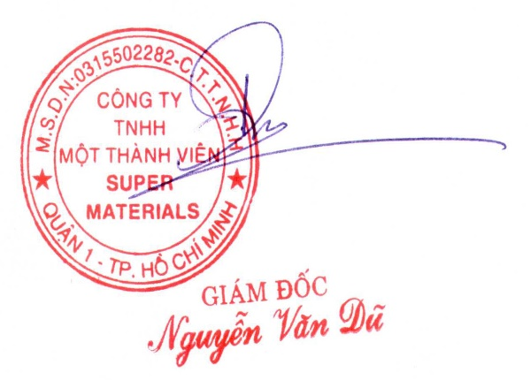
CONFIRMATION OF BUYER |  |  |  | CONFIRMATION OF SELLER

